ANSWERS Select Vis Cells Only
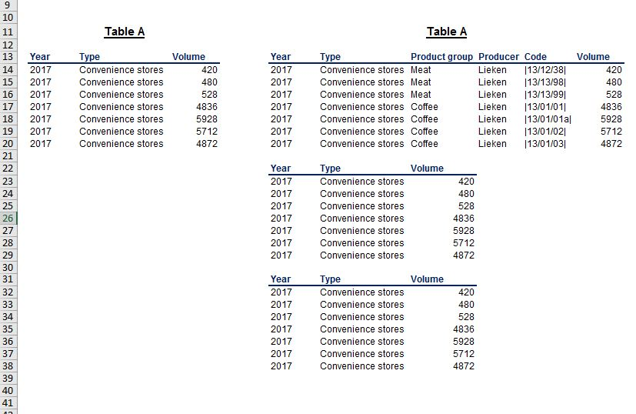
SOLUTION - Select Visible Cells Only

Task 1: Copy and paste the entire Table A in a range that starts in I13.

Task 2: Apparently, Table A contains hidden columns. Using the select special option from the Excel toolbar, copy only the visible cells from Table A and paste them in I22.

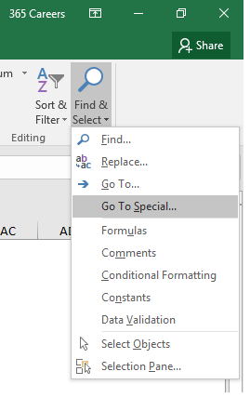
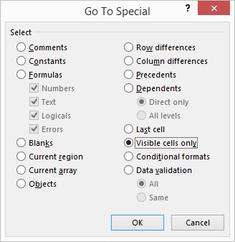

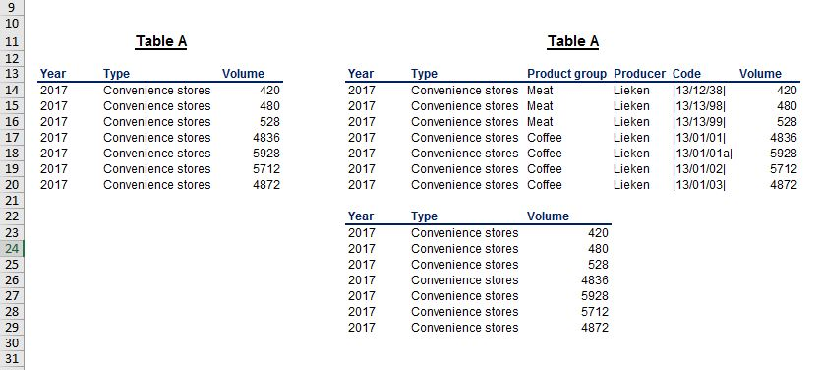

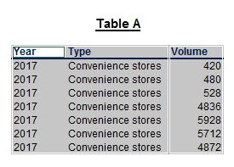

Task 3: Repeat the same operation as in 2), but this time, select the visible cells of Table A with the help of a shortcut. Paste these cells in I31.

